Entry Form
 |  | Control Sheet: |  |  | Document Number:
 |  | C.G. Weighing and Measuring |  |  | Issue:

 |  |  |  |  | ( To be used in conjunction with document S.JS-060
 |  |  |  |  | "Procedure to Determine Centre of Gravity of the JS1" )
Serial- No.: | 03-011 | Year of Manufacture: |  | 2017 |  |  |  | Registration No.: |  |  | D-KSTM

A. Technical data |  | 1. Geometry Measurement Reference Point: Wing leading edge at root rib
 |  | 2. Fuselage Attitude Reference Position: 1000:18 at top of tail cone
B. Center of Gravity measurement setup for JS3

 | 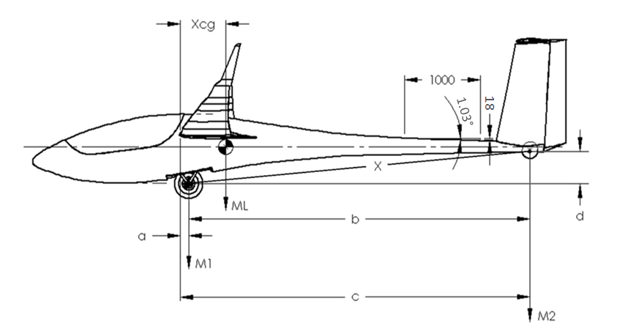

Loading instructions: |  |  |  |  |  |  |  |  | Configuration Set-up*
1. Ensure all equipment in list is stored in their allocated places. |  |  |  |  |  |  |  |  | Component |  | √
2. Ensure tailplane and wing tips + winglets are assembled. |  |  |  |  |  |  |  |  | Upholstery type |  | Leather
3. Remove trim ballast in nose/tail. |  |  |  |  |  |  |  |  | Tailwheel type |  | Retractable
4. Ensure all water tanks are empty |  |  |  |  |  |  |  |  | Bug wiper motors (x2) |  | x
5. If fuel tanks are installed, ensure that fuel level is at the minimum usable amount |  |  |  |  |  |  |  |  | Tailwheel hub |  | Alu
6. Remove parachute, oxygen bottle |  |  |  |  |  |  |  |  | Jet system |  | √
6. Extend landing gear and set flaps to position 3. |  |  |  |  |  |  |  |  | Transponder antenna |  | √
7. Remove tail battery |  |  |  |  |  |  |  |  | Flight Manual |  | x
8. Set flaps to Flap Position 3 |  |  |  |  |  |  |  |  | Flight Folio |  | x
9. Close canopy |  |  |  |  |  |  |  |  | Rigging Tool |  | x
12. Position sailplane on scales in flight attitude (1000:18) |  |  |  |  |  |  |  |  | Main Battery 1 |  | LiFePo
11. Measure the distance "x" |  |  |  |  |  |  |  |  | Main Battery 2 |  | LiFePo
13. Measure weights M1 and M2 |  |  |  |  |  |  |  |  | Other |  | x

Scales used |  |  |  |  |  |  |  |  | Component weight
# | Serial number | Calibration Due Date |  |  | Tolerance
1 | 11061104862 | 2018-06-13 |  |  | 1kg |  |  |  | Component |  | Weight (kg)

2 | 1121746 | 2018-02-23 |  |  | 0.05kg |  |  |  | Left Wing |  | 65.9

 |  |  |  |  |  |  |  |  | Right Wing |  | 67.0
Measured Data |  |  | 15m | 18m |  | Constants
 |  |  |  |  |  |  |  |  | Left Wingtip (15m) |  | 4.8

Weight at Front Wheel: |  | M1= | 266 | 285 |  | c = | 4419.0 |  | Right Wingtip (15m) |  | 4.8

Weight at Tail Wheel: |  | M2= | 33.6 | 35.8 |  | d = | 509 |  | Left Wingtip (18m) |  | 15.3

Distance from centre of main wheel shaft to centre of tail wheel shaft |  | x = | 4300 |  |  |  |  |  | Right Wingtip (18m) |  | 15.5

 |  |  |  |  |  |  |  |  | Tailplane |  | 5.0
Revised calculated data |  |  | 15m | 18m
 |  |  |  |  |  |  |  |  | Fuselage* |  | 152.1
Weight at front wheel |  | M1 = | 266.00 | 285.00
 |  |  |  |  |  |  |  |  | *All items must be in the fuselage when the CG is measured as well as when the fuselage is weighed
Weight at tail wheel |  | M2 = | 33.60 | 35.8

Description of change |  | Mass | Arm | Affect on |  |  | Date |  |  | Inspector name & number | Signature
 |  |  |  | M1 |  | M2
Initial weight and balance

Rear permanent weights added |  | 0.00 | 0 | 0.00 |  | 0.00

 |  |  |  | 0.00 |  | 0.00

 |  |  |  | 0.00 |  | 0.00

 |  |  |  | 0.00 |  | 0.00

 |  |  |  | 0.00 |  | 0.00

JS3 15m CG Envelope
15m Configuration CG Envelope
 | Fwd limit boundary |  | Rear limit boundary |  | Full water |  | Empty CG |  | 525kg limit
87.75 | 325 | 87.75 | 325 | 142.0 | 409.6 | 142.0 | 409.6 | 160.125 | 525
101.25 | 375 | 126.75 | 325 |  |  |  |  | 204.75 | 525
108 | 400 | 146.25 | 375
118.425 | 425 | 156 | 400
128.85 | 450 | 165.75 | 425
139.275 | 475 | 175.5 | 450
149.7 | 500 | 185.25 | 475
160.125 | 525 | 195 | 500
 |  | 204.75 | 525
Weight and Balance Calculator

Enter loading only in this column

 | Loading points: | Max allowed (kg) | Actual Loading (kg) | Mass (kg) | Moment (kg.m)
Tot | Empty aircraft | 400.0 | 299.6 | 299.6 | 188.2
Pilot | Pilot + Parachute | 115.0 | 90.0 | 90.0 | -58.1
H2O Main | Water ballast main | 156.0 | 0.0 | 0.0 | 0.0
Tail1 | Expendable tail tank | 5.9 | 0.0 | 0.0 | 0.0
Tail2 | Non-expendable tail tank | 8.9 | 0.0 | 0.0 | 0.0
TailW | Brass Tail wheel (additional) | 2.0 |  | 0.0 | 0.0
Bag | Baggage compartment | 15.0 |  | 0.0 | 0.0
O2 | O2 bottle | 2.0 |  | 0.0 | 0.0
FF | Jet Fuel Top | 5.50 | 5.5 | 5.5 | 2.8
FR | Jet Fuel Bottom | 11.5 | 11.5 | 11.5 | 9.8
Other | Removal weight behind Seat | 20.0 | 3.0 | 3.0 | -0.7
 |  |  | Totals | 409.6 | 142.0

Flying condition |  | Mass (kg) | Wing loading (kg/m2) | Flying CG position (mm) | Moment (kg.m)
With water ballast |  | 409.6 | 47.0 | 346.7 | 142.0
Expendable water ballast dumped |  | 409.6 | 47.0 | 346.7 | 142.0

JS3 18m CG Envelope
18m Configuration CG Envelope
 | Fwd limit boundary |  | Rear limit boundary |  | Full water |  | Empty CG |  | 600kg limit
87.75 | 325 | 87.75 | 325 | 238.4 | 599.8 | 173.3 | 431.8 | 191.4 | 600
101.25 | 375 | 129.35 | 325 |  |  |  |  | 238.8 | 600
108 | 400 | 149.25 | 375
118.425 | 425 | 159.2 | 400
128.85 | 450 | 169.15 | 425
139.275 | 475 | 179.1 | 450
149.7 | 500 | 189.05 | 475
160.125 | 525 | 199 | 500
170.55 | 550 | 208.95 | 525
180.975 | 575 | 218.9 | 550
191.4 | 600 | 228.85 | 575
 |  | 238.8 | 600
Weight and Balance Calculator

Enter loading only in this column

 | Loading points: | Max allowed (kg) | Actual Loading (kg) | Mass (kg) | Moment (kg.m)
Tot | Empty aircraft | 400.0 | 320.8 | 320.8 | 200.7
Pilot | Pilot + Parachute | 115.0 | 90.0 | 90.0 | -58.1
H2O Main | Water ballast main | 156.0 | 130.0 | 130.0 | 31.7
H2O Tips | Water ballast tips | 34.0 | 34.0 | 34.0 | 16.3
Tail1 | Expendable tail tank | 5.9 | 4.0 | 4.0 | 17.1
Tail2 | Non-expendable tail tank | 8.9 | 4.0 | 4.0 | 18.0
TailW | Brass Tail wheel (additional) | 2.0 |  | 0.0 | 0.0
TailB | Tail battery | 0.0 |  | 0.0 | 0.0
Bag | Baggage compartment | 15.0 | 0.0 | 0.0 | 0.0
O2 | O2 bottle | 2.0 |  | 0.0 | 0.0
FF | Jet Fuel Top | 5.50 | 5.45 | 5.5 | 2.7
FR | Jet Fuel Bottom | 11.5 | 11.5 | 11.5 | 9.8
Other | Removal weight behind Seat | 20.0 |  | 0.0 | 0.0
 |  |  | Totals | 599.8 | 238.4
 |  |  | 2.0
Flying condition |  | Mass (kg) | Wing loading (kg/m2) | Flying CG position (mm) | Moment (kg.m)
With water ballast |  | 599.8 | 60.8 | 397.6 | 238.4
Expendable water ballast dumped |  | 431.8 | 43.7 | 401.3 | 173.3

